Graphs
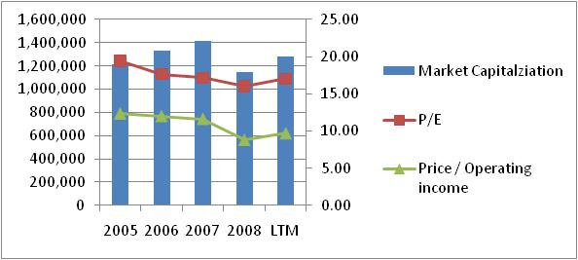
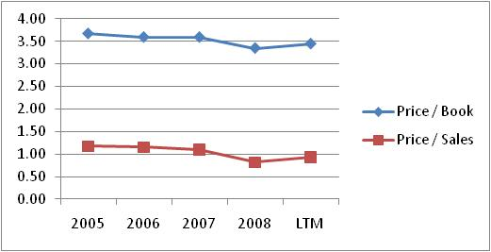
Consumer Discretionary (78 Companies in S&P500)

By Hyun Jun Kim, kim813@illinois.edu

Unit: Million, %
Balance Sheet Analysis
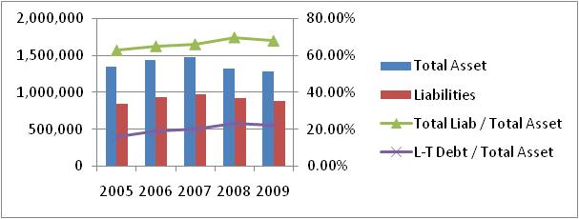
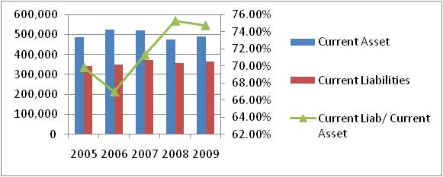

Income Statement Analysis
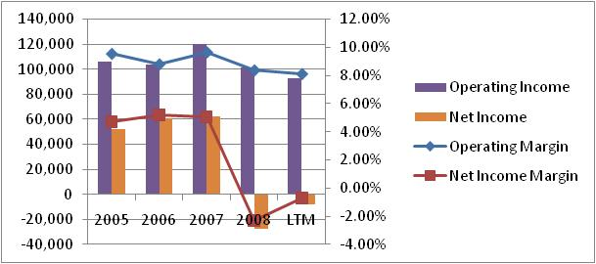

Valuation Analysis
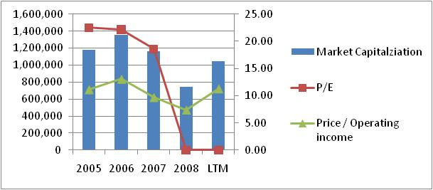
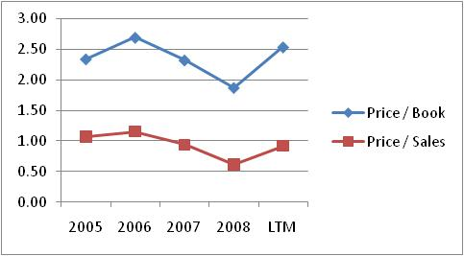

Consumer Staples (42 Companies in S&P500)

By Hyun Jun Kim, kim813@illinois.edu
Unit: Million, %
Balance Sheet Analysis
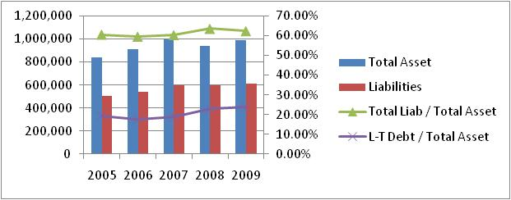
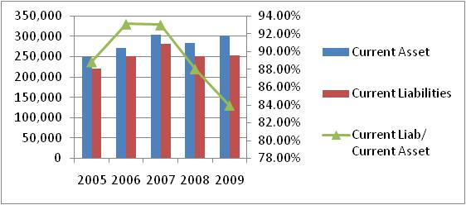

Income Statement Analysis
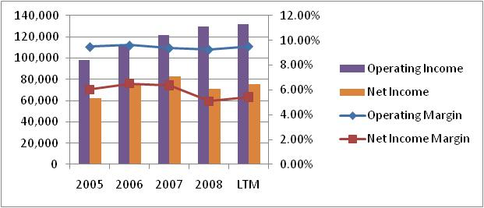

Valuation Analysis

