Relationships
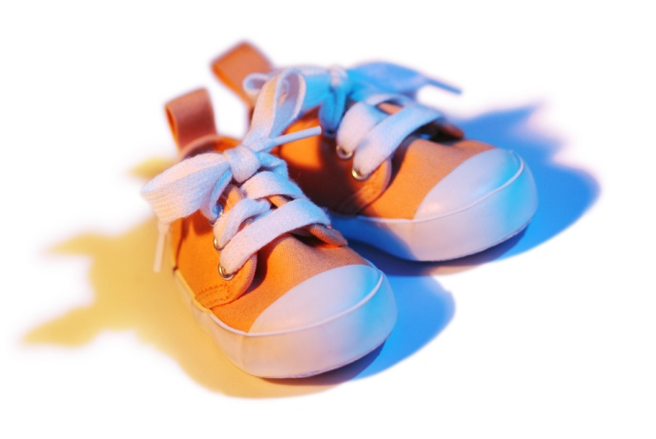
Roster # | Student | Age | Shoe Size | Total | Ratio
1 | Andy | 5 | 10 | 15 | 0.5
2 | Giovanni | 6 | 11 | 17 | 0.54545454545
3 | Roger | 5 | 12 | 17 | 0.41666666667
4 | Yishai | 6 | 12 | 18 | 0.5
5 | Kimberly | 6 | 12 | 18 | 0.5
6 | Melody | 6 | 11 | 17 | 0.54545454545
7 | Lauren | 6 | 10 | 16 | 0.6
8 | Harrison | 7 | 10 | 17 | 0.7
9 | Derek | 5 | 11 | 16 | 0.45454545455
10 | Cristain | 6 | 9 | 15 | 0.66666666667

Grade Weights
Category | Percentages
Classwork | 25
Homework | 15
Quizzes | 25
Final | 20
Journal | 15
Total | 100

