Relationships
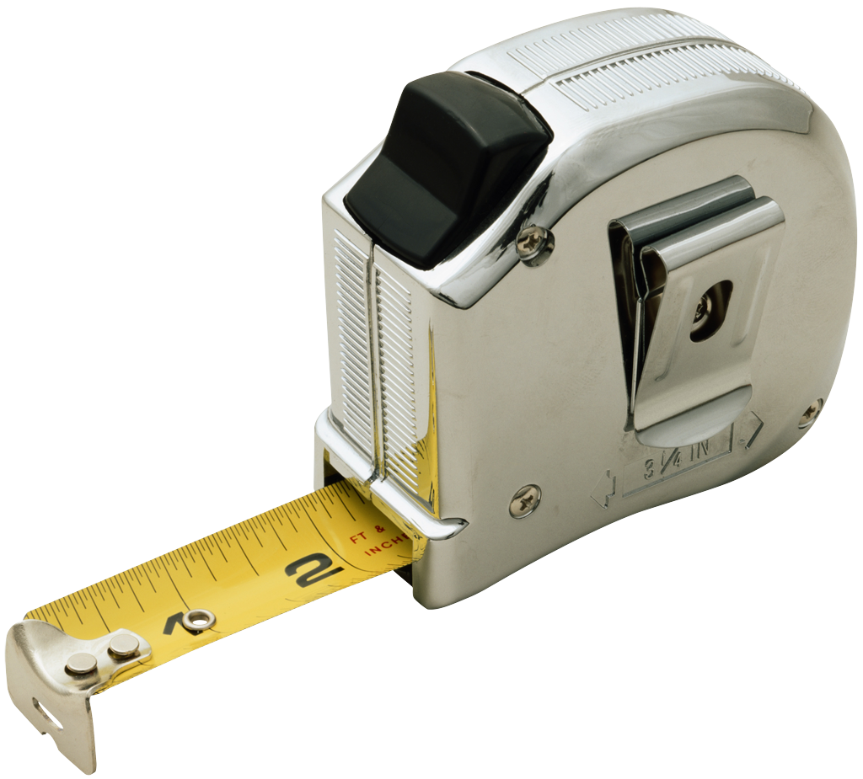
Roster# | Student | Shoe Size | Height | Total | Ratio
1 | Tanner | 9 | 58 | 67 | 0.15517241379
2 | Sarah | 7 | 50 | 57 | 0.14
3 | Matthew | 8 | 57 | 65 | 0.14035087719
4 | Grace | 9 | 55 | 64 | 0.16363636364
5 | Ivy | 6 | 49 | 55 | 0.12244897959
6 | Kari | 9 | 54 | 63 | 0.16666666667
7 | Kelly | 7 | 52 | 59 | 0.13461538462
8 | Megan | 8 | 53 | 61 | 0.15094339623
9 | Jake | 9 | 56 | 65 | 0.16071428571
10 | Kiernan | 6 | 45 | 51 | 0.13333333333

Grade Weights
Category | Percentages
Classwork | 25
Homework | 15
Quizzes | 25
Final | 20
Journal | 15
Total | 100

